Portfolio
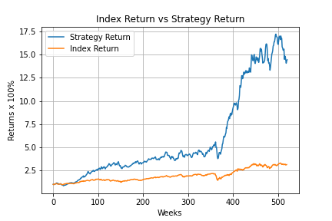
Symbol
ADANIENT.NS
ADANITRANS.NS
ATGL.NS
ADANIGREEN.NS
ALEMBICLTD.NS
APLLTD.NS
AFFLE.NS
AKZOINDIA.NS
ABBOTINDIA.NS
POWERINDIA.NS
APLAPOLLO.NS
AEGISCHEM.NS

